Sheet1


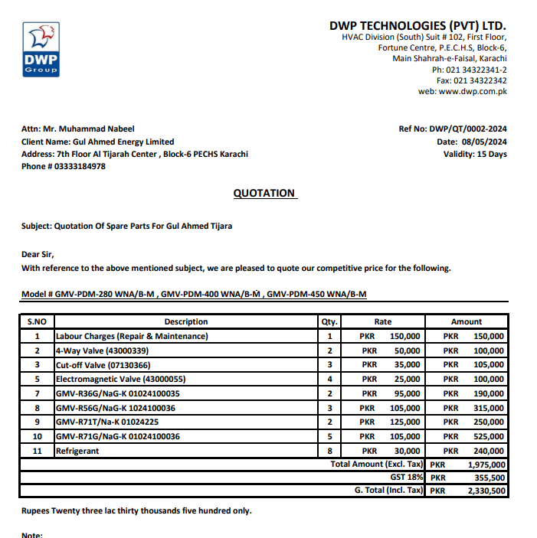

M/S DWP TECHNOLOGIES (PVT) LTD |  |  |  | 16-Sep-24
PO # 174

Att: Mr. Ammad Rabbani

PURCHASE ORDER

SUPPLY OF SPARE PARTS for the project (Gul Ahmed Energy Limited 7th Floor Al Tijarah Center Karachi)
S No. | D e s c r i p t i o n | Qty | Rate | Amount

1 | SUPPLY OF SPARE PARTS
1 | Labour Charges (Repair & Maintenance) | 1 | 150,000 | 150,000
2 | 4-Way Valve (43000339) | 2 | 50,000 | 100,000
3 | Cut-off Valve (07130366) | 3 | 35,000 | 105,000
4 | Electromagnetic Valve (43000055) | 4 | 25,000 | 100,000
5 | GMV-R36G/NaG-K 01024100035 | 2 | 95,000 | 190,000
6 | GMV-R56G/NaG-K 1024100036 | 3 | 105,000 | 315,000
7 | GMV-R71T/Na-K 01024225 | 2 | 125,000 | 250,000
8 | GMV-R71G/NaG-K 01024100036 | 5 | 105,000 | 525,000
9 | Refrigerant | 8 | 30,000 | 240,000
 |  | TOTAL: |  | 1,975,000

for PIONEER ENGINEERING SERVICES

